Original
Challenge 53: OEIS Sequence
Design By @Konrad Gryczan
The On-Line Encyclopedia of Integer Sequences presents several number sequences based on specific rules. In this challenge, we want to list all the numbers below 100 that fit the criteria described in the link below: https://oeis.org/A053432.
In this sequence, a number with more than one digit is accepted if the first characters of the text representing the digits are in alphabetical order. For example:
14 ("one-four"): As "f" is not after "o", it is not accepted.
13 ("one-three"): As "t" is after "o", it is accepted.
Question |  | Result
Number | Text | Customer
0 | Zero | 0
1 | One | 1
2 | Two | 2
3 | Three | 3
4 | Four | 4
5 | Five | 5
6 | Six | 6
7 | Seven | 7
8 | Eight | 8
9 | Nine | 9
 |  | 10
 |  | 11
 |  | 12
 |  | 13
 |  | 16
 |  | 17
 |  | 20
 |  | 22
 |  | 30
 |  | 32
 |  | 33
 |  | 40
 |  | 41
 |  | 42
 |  | 43
 |  | 44
 |  | 46
 |  | 47
 |  | 49
 |  | 50
 |  | 51
 |  | 52
 |  | 53
 |  | 54
 |  | 55
 |  | 56
 |  | 57
 |  | 59
 |  | 60
 |  | 62
 |  | 63
 |  | 66
 |  | 70
 |  | 72
 |  | 73
 |  | 76
 |  | 77
 |  | 80
 |  | 81
 |  | 82
 |  | 83
 |  | 84
 |  | 85
 |  | 86
 |  | 87
 |  | 88
 |  | 89
 |  | 90
 |  | 91
 |  | 92
 |  | 93
 |  | 96
 |  | 97
 |  | 99
 |  | 100

MySingleFunction
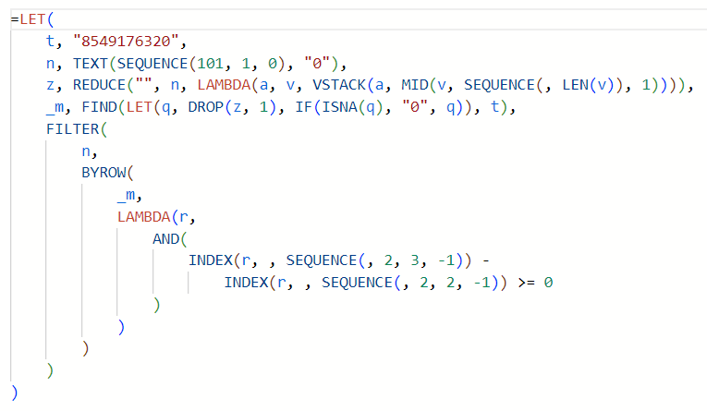
Question |  |  | Result
Number | Text |  | Customer
0 | Zero |  | 0 | 0 | TRUE | 0 | 0
1 | One |  | 1 | 1 | TRUE | 1 | 1
2 | Two |  | 2 | 2 | TRUE | 2 | 2
3 | Three |  | 3 | 3 | TRUE | 3 | 3
4 | Four |  | 4 | 4 | TRUE | 4 | 4
5 | Five |  | 5 | 5 | TRUE | 5 | 5
6 | Six |  | 6 | 6 | TRUE | 6 | 6
7 | Seven |  | 7 | 7 | TRUE | 7 | 7
8 | Eight |  | 8 | 8 | TRUE | 8 | 8
9 | Nine |  | 9 | 9 | TRUE | 9 | 9
 |  |  | 10 | 10 | TRUE | 10 | 10
 |  |  | 11 | 11 | TRUE | 11 | 11
8 | 8 | 8549176320 | 12 | 12 | TRUE | 12 | 12
5 | 5 |  | 13 | 13 | TRUE | 13 | 13
4 | 4 |  | 16 | 16 | TRUE | 16 | 16
9 | 9 |  | 17 | 17 | TRUE | 17 | 17
1 | 1 |  | 20 | 20 | TRUE | 20 | 20
7 | 7 |  | 22 | 22 | TRUE | 22 | 22
6 | 6 |  | 30 | 30 | TRUE | 30 | 30
3 | 3 |  | 32 | 32 | TRUE | 32 | 32
2 | 2 |  | 33 | 33 | TRUE | 33 | 33
0 | 0 |  | 40 | 40 | TRUE | 40 | 40
 |  |  | 41 | 41 | TRUE | 41 | 41
 |  |  | 42 | 42 | TRUE | 42 | 42
 |  |  | 43 | 43 | TRUE | 43 | 43
 |  |  | 44 | 44 | TRUE | 44 | 44
 |  |  | 46 | 46 | TRUE | 46 | 46
 |  |  | 47 | 47 | TRUE | 47 | 47
 |  |  | 49 | 49 | TRUE | 49 | 49
 |  |  | 50 | 50 | TRUE | 50 | 50
 |  |  | 51 | 51 | TRUE | 51 | 51
 |  |  | 52 | 52 | TRUE | 52 | 52
 |  |  | 53 | 53 | TRUE | 53 | 53
 |  |  | 54 | 54 | TRUE | 54 | 54
 |  |  | 55 | 55 | TRUE | 55 | 55
 |  |  | 56 | 56 | TRUE | 56 | 56
 |  |  | 57 | 57 | TRUE | 57 | 57
 |  |  | 59 | 59 | TRUE | 59 | 59
 |  |  | 60 | 60 | TRUE | 60 | 60
 |  |  | 62 | 62 | TRUE | 62 | 62
 |  |  | 63 | 63 | TRUE | 63 | 63
 |  |  | 66 | 66 | TRUE | 66 | 66
 |  |  | 70 | 70 | TRUE | 70 | 70
 |  |  | 72 | 72 | TRUE | 72 | 72
 |  |  | 73 | 73 | TRUE | 73 | 73
 |  |  | 76 | 76 | TRUE | 76 | 76
 |  |  | 77 | 77 | TRUE | 77 | 77
 |  |  | 80 | 80 | TRUE | 80 | 80
 |  |  | 81 | 81 | TRUE | 81 | 81
 |  |  | 82 | 82 | TRUE | 82 | 82
 |  |  | 83 | 83 | TRUE | 83 | 83
 |  |  | 84 | 84 | TRUE | 84 | 84
 |  |  | 85 | 85 | TRUE | 85 | 85
 |  |  | 86 | 86 | TRUE | 86 | 86
 |  |  | 87 | 87 | TRUE | 87 | 87
 |  |  | 88 | 88 | TRUE | 88 | 88
 |  |  | 89 | 89 | TRUE | 89 | 89
 |  |  | 90 | 90 | TRUE | 90 | 90
 |  |  | 91 | 91 | TRUE | 91 | 91
 |  |  | 92 | 92 | TRUE | 92 | 92
 |  |  | 93 | 93 | TRUE | 93 | 93
 |  |  | 96 | 96 | TRUE | 96 | 96
 |  |  | 97 | 97 | TRUE | 97 | 97
 |  |  | 99 | 99 | TRUE | 99 | 99
 |  |  | 100 | 100 | TRUE | 100 | 100

